Sheet1
 | Document No. | Issue No. |  | Issue Date |  | Review and Replace Date |  | Authorised By
 | GFF335MC | 4 |  | 11.10.2021 |  | 17.10.2025
 | Document Title | 8 SPINACH & FETA PARCELS 200G
 | Film Updated |  |  |  | Page |  | 1 of 1 | Magda Shah
Document amendments reason for change |  |  |  |  | Previous Issue Date |  | 27.10.2022 | Uncontrolled copy unless signed original

CVSFPC-R1TEB | BOOTHS - XMAS |  | 8 Spinach & Feta Parcels 200g
STEP 1 |  |  |  |  | STEP 2
 |  |  |  |  | 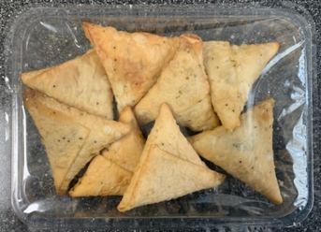

Tray: SK4 Plain Clear (PKESS001-07) |  |  |  |  | 8 x Spinach & Feta Parcels (XMAS) (GFF402R): 25g
Film: AF Weld Film (300mmX1000lm)- (1X1000) -PKKMP001-07
TOTAL WEIGHT: 200g

ALLERGY ALERT: MILK, WHEAT

